Instructions
WYOMING BRUCELLOSIS TEST RECORD INSTRUCTIONS

When you open this document, you will see three Worksheets labeled “Instructions” (in blue), “BTST Test Record” (in green), and “Data Input” (in orange) at the bottom of the screen towards the left side.

Click the worksheet and complete the top portion, ie to include herd info, veterinarian info, and reason for test. Save this as a herd template! You will not enter tag info on this page, and these cells are protected so you can't destroy this beautiful spreadsheet's function. You can tab through the cells starting with ‘State’.

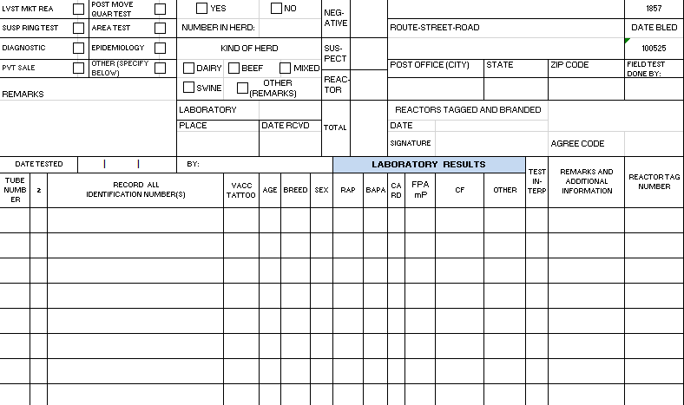
You May Type Here!

The Sheet Won't Let You Type Here!

This tool generates the certificate number automatically based on your veterinarian agree code and test date (Date Bled). If you test more than one group of animals in a single day, add an 'A' after the certificate number in cell 'AE1'; 'B' for the second certificate, and so on.

ADD ANIMAL DATA
Click on the worksheet to enter your animal information.

Paste your reader data or manually enter animal data into the appropriate columns.

*Autofill is a quick method of entering data. For help with Excel, watch the training video, call Joel at (307) 777-6274, or view this YouTube video: https://www.youtube.com/watch?v=2FTxjK60gKM

Fill in Column A with your Tube Number for each animal.
Fill in Column B with each animal's Official Identification.
Fill in Column C with each animal's secondary ID, if applicable. An example of this ID would be an unofficial owner "dangle" tag.
Fill in Columns D, E, F, and G with tattoo, age, breed, and sex.
Ignore Column H.

As you type, Autofill* or paste data into this worksheet, it will automatically appear on the Test Record!!!

Maximum number of animals per certificate: 2000
When working animals over multiple days, create a new certificate for each day.

PRINTING THE TEST RECORD
Click on the worksheet. Identify the number of pages to print by scrolling through the worksheet. At the top of the screen, click File and Print. Under Settings, insert the page range to print (Page: 1 to __ ). Click the Print button at the top of the screen. Send this record with the blood samples to the lab.

Email this Excel file to:
lsbbrucellosis-mitigation@wyo.gov

Email this original Excel file as soon as complete. Files must be received by WLSB - Animal Health Protection and the USDA, APHIS, VS Wyoming office within 10 days after testing is complete. Do not mail a hard copy.

