Instructions
WYOMING LIVESTOCK MARKET BRUCELLOSIS TEST RECORD INSTRUCTIONS

When you open this document, you will see three Worksheets labeled “Instructions” (in purple), “Market Test Record” (in blue), and “Data Input” (in green) at the bottom of the screen towards the left side.

Click the worksheet and complete the top portion, ie to market address info. You will not enter tag info on this page. These cells are protected so you can't destroy this beautiful spreadsheet's function.
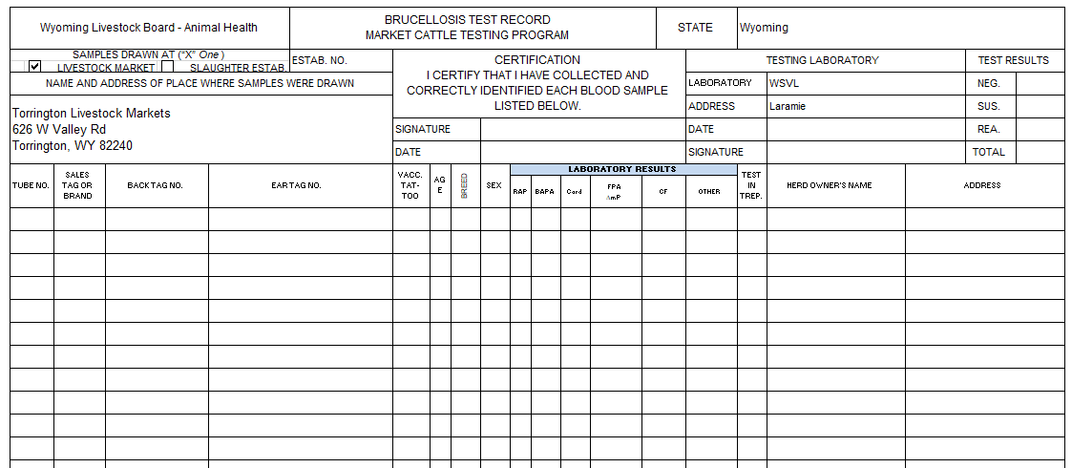

You May Type Here!

The Sheet Won't Let You Type Here!

ADD ANIMAL AND OWNER DATA
Click on the worksheet to enter your animal and owner information.

Paste your reader data or manually enter animal data into the appropriate columns.

*Autofill is a quick method of entering data. For help with Excel, watch the training video, watch this YouTube video: https://www.youtube.com/watch?v=2FTxjK60gKM or call Joel at (307) 777-6274.

Fill in Column A with your Tube Number for each animal.
Fill in Column B with Sales Tag or Brand ID info.
Fill in Column C with each animal's back tag number.
Fill in Column D with each animals Official Identificaton number (ie 840 or NUES tag).
Fill in Columns E, F, G, and H with tattoo, age, breed, and sex.
Fill in Columns I and J with owner name and address.

As you type, Autofill* or paste data into this worksheet, it will automatically appear on the Test Record!!!

The Info From the Data Sheet

Transfers to the Test Record!

Maximum number of animals per certificate: 1000
When working animals over multiple days, create a new certificate for each day.

PRINTING THE TEST RECORD
Click on the worksheet. Identify the number of pages to print by scrolling through the worksheet. At the top of the screen, click File and Print. Under Settings, insert the page range to print (Page: 1 to __ ). Click the Print button at the top of the screen. Send this record with the blood samples to the lab.

Email this Excel file to:
lsbbrucellosis-mitigation@wyo.gov

Email this original Excel file as soon as complete. Files must be received by WLSB - Animal Health Protection and the USDA, APHIS, VS Wyoming office within 10 days after testing is complete. Do not mail a hard copy.

